Sheet1
Sample Template for WRC

 | Deposit Safe No.(Deposit/Retireve screen)
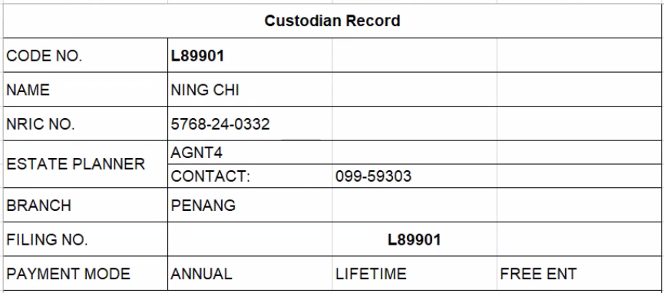

 | Other Party Master - Agent Telephone No.

